Sheet1
 |  |  |  |  |  |  |  | VISION
22 90 14 7D 03 00
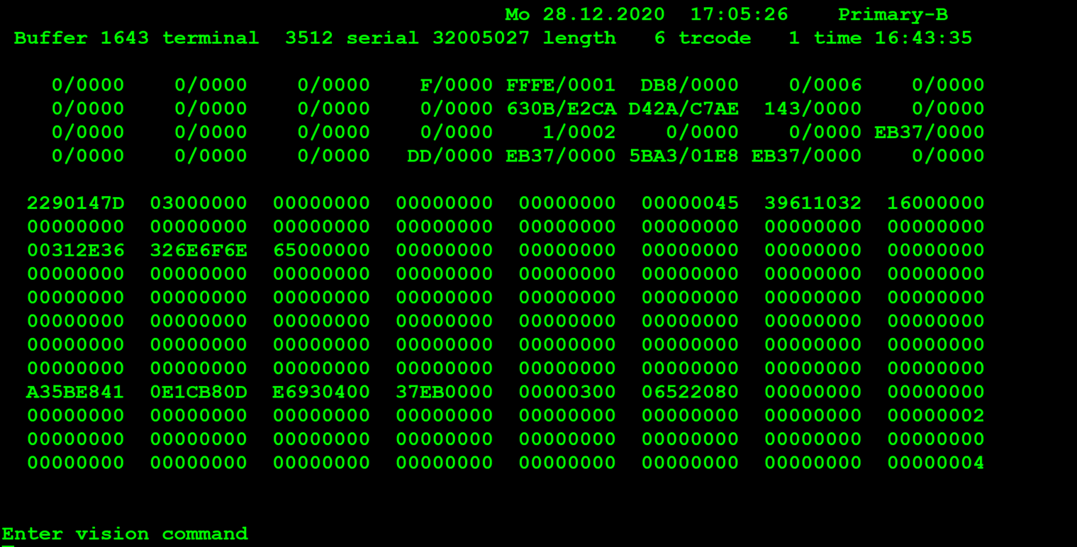
22 90 00 00 24 00
 |  |  |  |  | Hexa | Binario | Decimal
TestByte |  | Size | Field Contents
Start | End
1 | 1 | 1 | Control | Sequence | 22
2 | 2 | 1 | Type = 9 | Subtype = 0 | 90 | Type=1001 SubType=0000 | Type=9 SubType=0
3 | 4 | 2 | Checksum |  | 14 7D
5 | 5 | 1 | Error Number (see below) |  | 3 |  | Function Suppressed

Values: |  | Description
1 = |  | Invalid
2 = |  | Syntax Error
3 = |  | Function Suppressed
4 = |  | Not Signed On
5 = |  | System Dormant
6 = |  | Drawing Break
7 = |  | Liability Limit Exceeded
8 = |  | Non-drawing Day
9 = |  | DES Encryption Error
10 = |  | Results Not In
11 = |  | Invalid Terminal Number
12 = |  | Security Violation (>10 sign-on)
13 = |  | Bad Checksum
14 = |  | Bad Game Status
15 = |  | Retry Transaction
18 = |  | Game Revision Error |  |  |  |  |  | LOGGER: GTECH$DEBUG.DAT
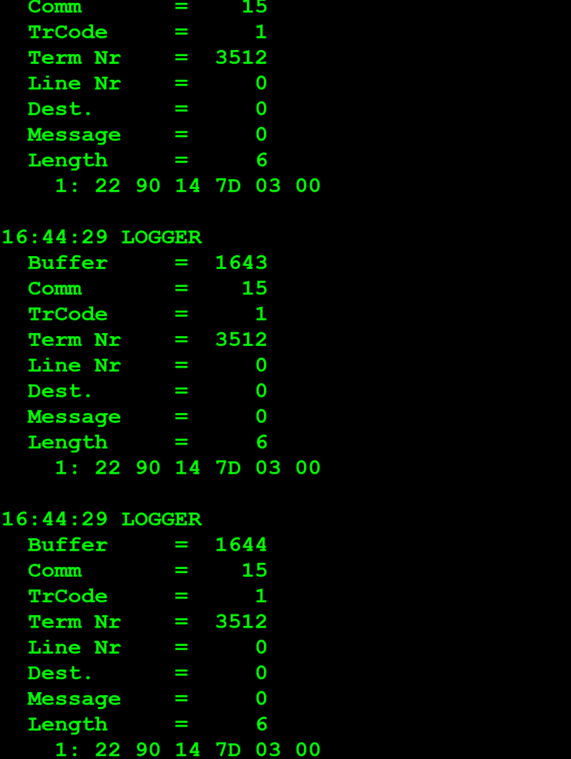
19 = |  | Can Not Fraction Ticket
20 = |  | Already Fractioned
21 = |  | Unfractioned
22 = |  | Card Present (Pass # mismatch)
23 = |  | No Card Present at SON (Do not SON)
25 = |  | Sports, Wrong number of marks with an event cancelled
26 = |  | Sports, The full draw has been cancelled.
31 = |  | Combination Closed
32 = |  | Odds exceeded
36 = | Invalid Agent Or Password In Sign On
37 = |  | Not available passive number found
38 = |  | Passive IO error
39 = |  | Blocked NIF

MessageQ Response
MQ: [0, 0, 0, 0, -34, -72]

22 90 00 00 24 00

